Instructions
 |  | Break Even Tool Instructions

This is the Break Even tool. It allows you to understand the Revenue required to
cover all of your costs, and when you start making Profits. It also allows you to
explore "what if" scenarios. What if: we add this cost to the company? What
Revenue is required in order to pay for it without negatively impacting Profits?
What if: we want to make x more profit? How much more Revenue do we need to do?

The tool has four tabs:
 | Instructions - this tab, an overview of the tool
 | BE Tool - the main data input and Break Even Analysis tab
 | Detailed What If - allows you to break out cost details and notes
 | Seasonality Impact - displays Break Even over your Sales Trend.

BE Tool

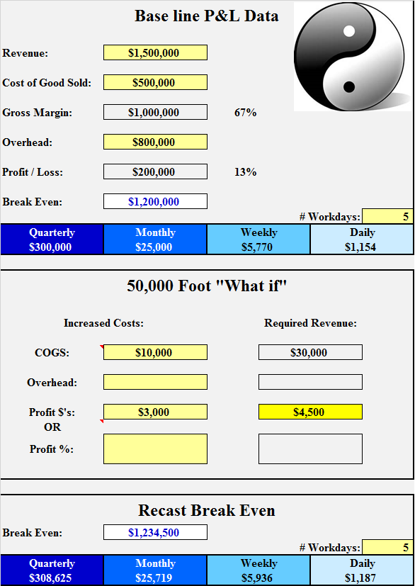
This tab is used to determine the base line
Break Even, and calculate it down to Quarter,
Month, Week and Day.

Enter your base ANNUAL Sales, COGS, and
Overhead here.

The Annual Break Even is here. The Q, M, W,
and Daily are here. You may change the number
of workdays in a week here.

The center section is used for the "What if."
Enter potential increased COGS, Overhead,
and expected Profits (as $'s or %'s.) The tool
displays the recast Break Even here.

Detailed What if

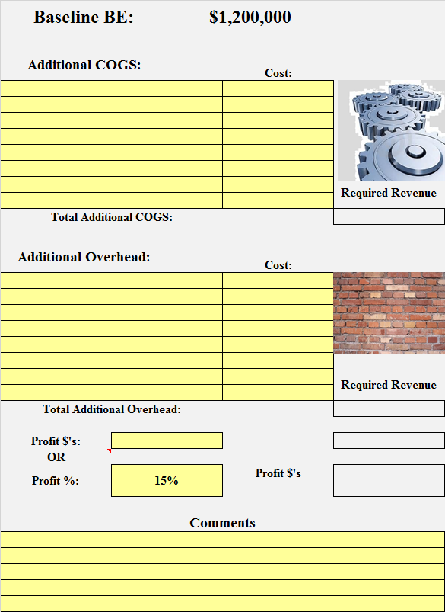
This tab is used to develop a more detailed "What
if" scenario. You may enter up to 10 lines for
increased COGS and increased Overhead here.
Enter a description for each line.

Enter additional profit expectations here as either
a dollar amount OR as a percentage of the additional
Revenue required to cover the additional costs.

Enter comments relating to the opportunity here.

Seasonality Impact

This tool displays the BASE LINE BREAK EVEN over the Sales Trends for the
company. It shows you at what point in the year you achieve Break Even and start
to make Profit.

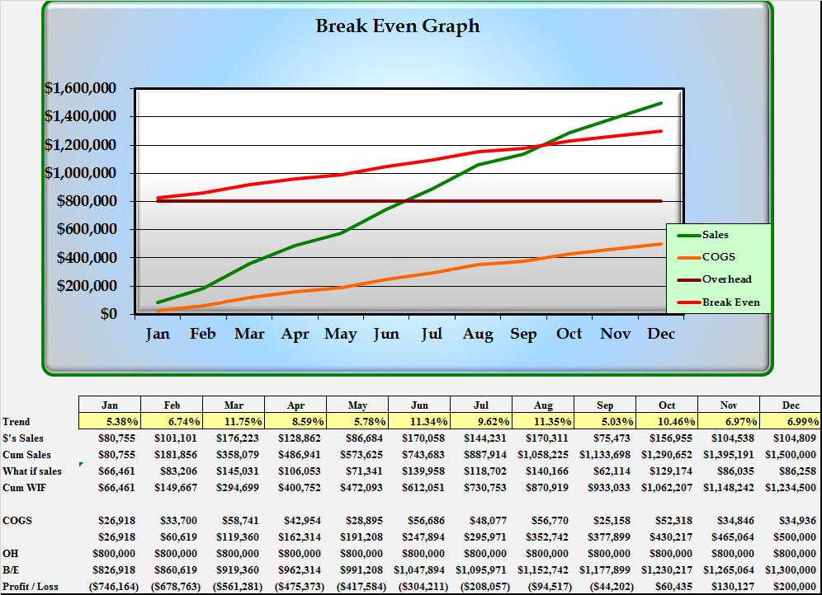

Enter your Seasonality here.

General

 | ONLY type in light yellow cells, others are protected and may contain
 | formulas even if they look empty.

Break even will allow you to understand the feasibility of additional costs, and will also
have an impact on pricing. Once you have achieved Break Even for the Y,Q,M or D,
you can decrease prices and make more money - Overhead as been paid!

BE Tool
 |  | Break Even Tool


Base line P&L Data

Revenue: | $14,400,626

Cost of Good Sold: | $11,927,266

Gross Margin: | $2,473,360 | 17%

Overhead: | $2,268,325

Profit / Loss: | $205,035 | 1%

Break Even: | $13,206,852
 |  |  |  | # Workdays: | 5
Quarterly | Monthly | Weekly |  | Daily
$3,301,713 | $1,100,571 | $253,997 |  | $50,799

50,000 Foot "What if"

Increased Costs: |  |  | Required Revenue:

COGS: |  |  | $0

Overhead: |  |  | $0

Profit $'s: |  |  | $0
OR
Profit %: |  |  | $0

Recast Break Even

Break Even: | $13,206,852
 |  |  |  | # Workdays: | 5
Quarterly | Monthly | Weekly |  | Daily
$3,301,713 | $1,100,571 | $253,997 |  | $50,799

Detailed What If
 |  |  | BE Tool Detailed WF

Baseline BE: |  | $5,494,397

Additional COGS:
 |  |  | Cost:


 |  |  |  | Required Revenue

Total Additional COGS: |  |  | $0 | $0

Additional Overhead:
 |  |  | Cost:


 |  |  |  | Required Revenue

Total Additional Overhead: |  |  | $0 | $0

Profit $'s: |  |  |  | $0
OR
Profit %: | 15% |  | Profit $'s | $0
 |  |  | $0

Comments

 |  |  | As of: | 2019-03-19

Seasonality Impact
Break Even Graph
 | Sales | COGS | Overhead | Break Even
Jan | 890354.1961 | 491877.0172 | 2459012 | 2950889.0172
Feb | 1655280.8478 | 914461.46893 | 2459012 | 3373473.4689
Mar | 2572314.2198 | 1421077.4221 | 2459012 | 3880089.4221
Apr | 3593321.6407 | 1985133.9369 | 2459012 | 4444145.9369
May | 4587622.5374 | 2534436.407 | 2459012 | 4993448.407
Jun | 5638409.7565 | 3114944.7995 | 2459012 | 5573956.7995
Jul | 6895862.9683 | 3809626.0149 | 2459012 | 6268638.0149
Aug | 8286886.1564 | 4578098.0899 | 2459012 | 7037110.0899
Sep | 9480892.9183 | 5237728.2542 | 2459012 | 7696740.2542
Oct | 10732417.131 | 5929133.9885 | 2459012 | 8388145.9885
Nov | 11590455.618 | 6403158.1616 | 2459012 | 8862170.1616
Dec | 12581289 | 6950545 | 2459012 | 9409557

 | Jan | Feb | Mar | Apr | May | Jun | Jul | Aug | Sep | Oct | Nov | Dec
Trend | 7.08% | 6.08% | 7.29% | 8.12% | 7.90% | 8.35% | 9.99% | 11.06% | 9.49% | 9.95% | 6.82% | 7.88%
$'s Sales | $890,354 | $764,927 | $917,033 | $1,021,007 | $994,301 | $1,050,787 | $1,257,453 | $1,391,023 | $1,194,007 | $1,251,524 | $858,038 | $990,833
Cum Sales | $890,354 | $1,655,281 | $2,572,314 | $3,593,322 | $4,587,623 | $5,638,410 | $6,895,863 | $8,286,886 | $9,480,893 | $10,732,417 | $11,590,456 | $12,581,289
What if sales | $388,828 | $334,052 | $400,479 | $445,886 | $434,223 | $458,891 | $549,145 | $607,476 | $521,437 | $546,555 | $374,715 | $432,709
Cum WIF | $388,828 | $722,881 | $1,123,360 | $1,569,246 | $2,003,469 | $2,462,360 | $3,011,504 | $3,618,980 | $4,140,417 | $4,686,973 | $5,061,688 | $5,494,397

COGS | $491,877 | $422,584 | $506,616 | $564,057 | $549,302 | $580,508 | $694,681 | $768,472 | $659,630 | $691,406 | $474,024 | $547,387
 | $491,877 | $914,461 | $1,421,077 | $1,985,134 | $2,534,436 | $3,114,945 | $3,809,626 | $4,578,098 | $5,237,728 | $5,929,134 | $6,403,158 | $6,950,545
OH | $2,459,012 | $2,459,012 | $2,459,012 | $2,459,012 | $2,459,012 | $2,459,012 | $2,459,012 | $2,459,012 | $2,459,012 | $2,459,012 | $2,459,012 | $2,459,012
B/E | $2,950,889 | $3,373,473 | $3,880,089 | $4,444,146 | $4,993,448 | $5,573,957 | $6,268,638 | $7,037,110 | $7,696,740 | $8,388,146 | $8,862,170 | $9,409,557
Profit / Loss | ($2,060,535) | ($1,718,193) | ($1,307,775) | ($850,824) | ($405,826) | $64,453 | $627,225 | $1,249,776 | $1,784,153 | $2,344,271 | $2,728,285 | $3,171,732

